Viscosity Template
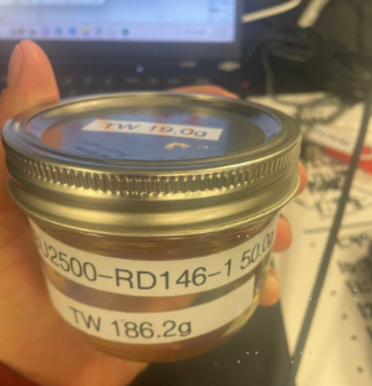
Viscosity |  |  |  |  |  |  |  |  |  |  |  |  |  |  |  |  | Boiling point
cp-℃ | Raw Garden Liquid Diampnd | Exp 1 |  |  | Exp 2 |  |  | Exp 3 |  |  | Average (cp-℃) |  |  | Std (cp-℃) |  |  | Experiment date | Compound description | Detailed description | Method | Result from MP80 (℃) | Result (℃)
Spindle | Speed | Temperature | Torque (%) | Viscosity (cp) | Temperature | Torque (%) | Viscosity (cp) | Temperature | Torque (%) | Viscosity (cp) | Temperature | Torque (%) | Viscosity (cp) | Temperature | Torque (%) | Viscosity (cp)
CPA-52Z | 1 | 24.7 | 30.1 | 238,900 | 24.4 | 33 | 261,900 | 24.1 | 34.6 | 274,600 | 24.4 | 32.6 | 2.58E+05 | 0.3 | 2.3 | 18095.9
CPA-52Z | 3 | 29.5 | 34.4 | 91,020 | 29.6 | 32.5 | 85,990 | 29.7 | 30.5 | 80,700 | 29.6 | 32.5 | 8.59E+04 | 0.1 | 2.0 | 5160.5
CPA-52Z | 10 | 39.2 | 12.4 | 9,843 | 39.7 | 13.3 | 10,560 | 39.4 | 13.6 | 10,800 | 39.4 | 13.1 | 1.04E+04 | 0.3 | 0.6 | 497.9
CPA-52Z | 50 | 49.2 | 11.8 | 1873 | 49.3 | 11.6 | 1842 | 49.3 | 11.5 | 1826 | 49.3 | 11.6 | 1.85E+03 | 0.1 | 0.2 | 23.9
CPA-40Z | 50 | 59.3 | 26.6 | 139.2 | 59.3 | 27 | 141.3 | 59.4 | 26.9 | 140.7 | 59.3 | 26.8 | 1.40E+02 | 0.1 | 0.2 | 1.1
CPA-40Z | 100 | 67.9 | 13 | 34.01 | 68 | 28.6 | 74.82 | 68.3 | 35.8 | 93.65 | 68.1 | 25.8 | 6.75E+01 | 0.2 | 11.7 | 30.5
 |  |  |  |  |  |  |  |  |  |  | #DIV/0! | #DIV/0! | #DIV/0! | #DIV/0! | #DIV/0! | #DIV/0!
 |  |  |  |  |  |  |  |  |  |  | #DIV/0! | #DIV/0! | #DIV/0! | #DIV/0! | #DIV/0! | #DIV/0!
 |  |  |  |  |  |  |  |  |  |  | #DIV/0! | #DIV/0! | #DIV/0! | #DIV/0! | #DIV/0! | #DIV/0!
 |  |  |  |  |  |  |  |  |  |  | #DIV/0! | #DIV/0! | #DIV/0! | #DIV/0! | #DIV/0! | #DIV/0!

N·s/m2-K | Raw Garden Liquid Diampnd | Exp 1 |  |  | Exp 2 |  |  | Exp 3 |  |  | Average (N·s/m2-K) |  |  | Std (N·s/m2-K)
 | Speed | (1/T) (1/K) | 5 cartridges | Viscosity ln(viscosity) | Temperature | Torque (%) | Viscosity (cp) | Temperature | Torque (%) | Viscosity (cp) | Temperature | Torque (%) | Viscosity (cp) | Temperature | Torque (%) | Viscosity (cp)
 | 1 | 0.0033573946617 | 30.1 | 5.4760450543 | 0.0033607797009 | 33 | 5.5679627515 | 0.0033641715728 | 34.6 | 5.6153154933 | 0.00336 | 32.6 | 5.55 | 0.00000 | 2.3 | 0.07
 | 3 | 0.0033041467041 | 34.4 | 4.5110792626 | 0.0033030553262 | 32.5 | 4.4542310104 | 0.003301964669 | 30.5 | 4.3907385753 | 0.00330 | 32.5 | 4.45 | 0.00000 | 2.0 | 0.06
 | 10 | 0.0032015367376 | 12.4 | 2.2867605426 | 0.0031964200096 | 13.3 | 2.3570732783 | 0.0031994880819 | 13.6 | 2.3795461341 | 0.00320 | 13.1 | 2.34 | 0.00000 | 0.6 | 0.05
 | 50 | 0.0031022180859 | 11.8 | 0.62754142346 | 0.0031012560087 | 11.6 | 0.61085193783 | 0.0031012560087 | 11.5 | 0.60212778217 | 0.00310 | 11.6 | 0.61 | 0.00000 | 0.2 | 0.01
 | 50 | 0.0030079711235 | 26.6 | -1.9718435311 | 0.0030079711235 | 27 | -1.9568699893 | 0.0030070666065 | 26.9 | -1.9611253149 | 0.00301 | 26.8 | -1.96 | 0.00000 | 0.2 | 0.01
 | 100 | 0.0029321213898 | 13 | -3.38110068 | 0.0029312619083 | 28.6 | -2.5926700501 | 0.0029286864841 | 35.8 | -2.3681908501 | 0.00293 | 25.8 | -2.78 | 0.00000 | 11.7 | 0.53
 | 0 | 0.0036609921289 | 0 | #NUM! | 0.0036609921289 | 0 | #NUM! | 0.0036609921289 | 0 | #NUM! | 0.00366 | 0.0 | #NUM! | 0.00000 | 0.0 | #NUM!
 | 0 | 0.0036609921289 | 0 | #NUM! | 0.0036609921289 | 0 | #NUM! | 0.0036609921289 | 0 | #NUM! | 0.00366 | 0.0 | #NUM! | 0.00000 | 0.0 | #NUM!
 | 0 | 0.0036609921289 | 0 | #NUM! | 0.0036609921289 | 0 | #NUM! | 0.0036609921289 | 0 | #NUM! | 0.00366 | 0.0 | #NUM! | 0.00000 | 0.0 | #NUM!
 | 0 | 0.0036609921289 | 0 | #NUM! | 0.0036609921289 | 0 | #NUM! | 0.0036609921289 | 0 | #NUM! | 0.00366 | 0.0 | #NUM! | 0.00000 | 0.0 | #NUM!

